Sheet2
Instructional Planning
 |  | (The process of systematically planning, developing, evaluating and managing the instructional process by using principles of teaching and learning - D.O. 42, s. 2016)

Detailed Lesson Plan (DLP) Format

DLP No.: | Learning Area: |  |  | Grade Level: | Quarter: | Duration: |  | Date:
 | Computer |  |  | Seven | 3rd | 50
Learning Competency/ies: |  |  | ldentify the different parts of a computer system and their uses |  |  |  | Code:
(Taken from the Curriculum Guide)
Key Concepts / Understandings to be Developed |  |  | We can identify the different parts of the computer system by their names and shapes
Domain |  | Adapted Cognitive Process Dimensions (D.O. No. 8, s. 2015) |  | OBJECTIVES:
Knowledge The fact or condition of knowing something with familiarity gained through experience or association |  | Remembering |  | Identify the different parts of the computer system by their names and shapes
 |  | Understanding

Skills The ability and capacity acquired through deliberate, systematic, and sustained effort to smoothly and adaptively carryout complex activities or the ability, coming from one's knowledge, practice, aptitude, etc., to do something |  | Applying |  | Write the names of the different parts of a computer system
 |  | Analyzing
 |  | Evaluating
 |  | Creating

Attitude |  | Valuing |  | To participate the importance of the computer system
Values |  | Valuing |  | keeping the importance and awareness in using the computer
2. Content |  |  |  | ldentify the different parts of a computer system
3. Learning Resources |  |  |  | Curriculum Guide in T.L.E.- Computer Hardware Servicing
4. Procedures
4.1 Introductory Activity |  |  | Let the pupils see the video about the computer. What is a computer? (A computer is an electronic device that manipulates information, or data. It has the ability to store, retrieve, and process data. You may already know that you can use a computer to type documents, send email, play games, and browse the Web. You can also use it to edit or create spreadsheets, presentations, and even videos.) What are the two common types of a computer? (hardware and software) What are the different parts of the computer system? (Monitor, keyboard, mouse, computer case, printer , avr, computer speaker, computer headset, computer camera, scanner) Why is it important to be aware of the use of computer nowadays? (We should be aware in using the computer because it is very much accurate, fast and can accomplish many tasks easily.)
10 |  | minutes
4.2 Activity |  |  | Show the pictures or realia of the different parts of the computer system. Let them identify the different parts of the computer system and their uses. Divide the pupils into 2 groups. First group will identify the different parts of the computer system by their names. Second group will identify the uses of the different parts of the computer system.
10 |  | minutes
4.3 Analysis |  |  | How many are the basic parts of the computer? (six) How many are the optional parts of the computer system including the basic parts of the computer? (ten) What is the importance of a computer? The importance of a computer is you can use it for your task because it is very much accurate, fast and can accomplish many tasks easily.
10 |  | minutes
4.4 Abstraction |  |  | How can we determine the different parts of the computer system? (We can tell them by their names and their functions or uses in the computer system.)
10 |  | minutes
4.5 Application |  |  | Giving exercises about the different parts of the computer system.
10 |  | minutes
4.6 Assessment |  |  | Analysis of Learners' Products |  | Identification Directions: Identify the word being described in the statement. Write your answers in the space provided. ____________________1. It shows whatever you type on the keyboard or point with the mouse. It is a significant part, without it the user cannot function the computer. The screen of the monitor allows the user to interact with the computer. ____________________2. It is important because for listening to the audios and sounds for the videos and games which is significant for a computer user to perform all kinds of tasks on the computer. It is an output hardware device that connects to a computer to generate sound. The signal used to produce the sound that comes from a computer speaker is created by the computer's sound card. ____________________3 is a video camera that feeds or streams an image or video in real time to or through a computer network, such as the Internet. Webcams are typically small cameras that sit on a desk, attach to a user's monitor, or are built into the hardware. ____________________4. a device that takes a picture of a document or file and turns it into a computerized image. ____________________5. it is a device that allowing the user to talk to other people using the computer or another device. It is an electronic device that converts audio waves into electronic signals, which is then taken by the computer as an input.
10 |  | minutes
1
2
4.7 Assignment |  |  | Enhancing / improving the day’s lesson |  | 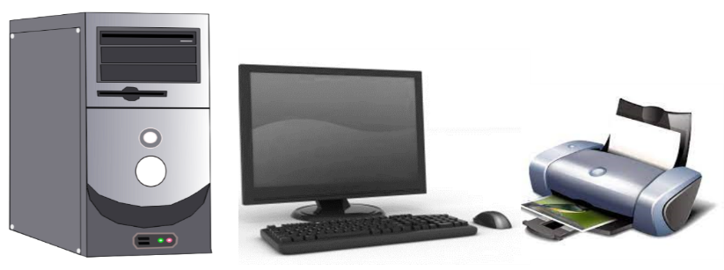 Labeling I. Directions: Label the parts of the basic computer system. Write your answers in the space provided.
3
4
5
10 |  | minutes |  |  | 1. ______________________ 4. ______________________ 2. ______________________ 5. ______________________ 3. ______________________
4.8 Concluding Activity
10 |  | minutes
5. Remarks
6. Reflections
A. No. of learners who earned 80% in the evaluation. |  |  |  |  | C. Did the remedial lessons work? No. of learners who have caught up with the lesson.
B. No. of learners who require additional activities for remediation. |  |  |  |  | D. No. of learners who continue to require remediation.
E. Which of my learning strategies worked well? Why did these work?
F. What difficulties did I encounter which my principal or supervisor can help me solve?
G. What innovation or localized materials did I use/discover which I wish to share with other teachers?

Prepared by:
Name: | MARIGOLD B. FUERTES |  |  |  | School: | SAN NARCISO SCHOOL OF CONSOLACION, CEBU, INC.
Position/ Designation: | TEACHER 1 / SUBJECT TEACHER |  |  |  | Division: | Cebu
Contact Number: | 9260877518 |  |  |  | Email address:

